Sheet1
Constructor |  | What |  | Why
 |  | 1. A constructor is a special method of the class which has the same name as name of class |  | If I have an object of class Student, there can not be a student without a roll and name, Rest of data members might not be necessary to initialize.
 |  | 2. Used to initialize the data members |  | Stack : top = -1 , will not be able push and where are pushed.
 |  | 3. No return type
 |  | 4. Constructor no arg (0) is called default constructor |  | call an object
 |  | 5. If I do not write any constructor, default constructor but it does nothing |  | create an object
 |  | class abc { } NEVER DO IT |  | when create a class
 |  | class Student, Account, Customer, Book, |  | create and object of a class
 |  | when we create an object , constructor is always called.
 |  | Stack()
 |  | {
 |  | top = -1;

 |  | }
 |  | java vm : java interpreter : Librararies : JRE
 |  | java file class -> compiled -> .class file (byte code) javac
 |  | java interpreter (JVM) runs (executes ) this file
 |  | java can run on laptop, mobile, AC, WM
 |  | Environments where java run
jdk, jvm, jre |  | Java Development Kit
 |  | java Virtual machine
 |  | java run time enviroment

 |  | Java is compiled and interpreted both. First we compile java code and a .class file. This .class file is in bytecode. Javac (java compiler does this
 |  | This .class file is executed by JVM , also called java interpreter.
 |  | jvm can run on mobile, watch, laptop : java run time environment
 |  | jvm is smallest
 |  | add env to jvm : => JRE
 |  | JDK : is the collection of tools : javac, java, jdb, javap, javadoc

Data types in java |  | boolean : true /false | long : 8 bytes
 |  | byte : 1 byte data | float : 4 bytes
 |  | short : short int 2 bytes | double : 8 bytes
 |  | char : 2 bytes
 |  | int : 4 bytes

 |  | class LibraryAction {
 |  | public static void main(String arg[])
 |  | JVM WILL CALL main
 |  | java LibraryAction amit sumit farhan junaid ram

public static void main(String arg[]) |  | public : any method in or outside the class can call it
 |  | static : no need to create an object of the class to call main
 |  | void : return nothing
 |  | main: name of fun
 |  | String arg[] : array of String to be given as arg
 |  | String : is class
 |  | who will call main ? JVM calls main
 |  | java StringPrinter amit sumit pavan deepak amandeep
 |  | class StringPrinter { psvm(S ar[]) }
 |  | when interpreter runs,

access modifiers |  | who can access to data member or member function
public, private , prtotected, ( default) |  | public : in or outside the class, any one can access
 |  | private : a method only in the class
 |  | default : in same package can access
 |  | protected : in same package + subclass in any package

 |  | Math.sqrt(8);
 |  | Math.PI (static constant)
 |  | Static methods can access only static data of the class. Can not access instance varibles ( non static data members)
Static Member |  | Static member is shared member of the class. This data is shared by all the objects of the class.
 |  | there is only copy of the data which is shared.
 |  | Static method is a method for class . It does not operate any object.
 |  | We can call static method with the name of the class eg. Thread.sleep(1000)
 |  | String.valueOf(34)
 |  | Static method exist even when there is no object.
 |  | Static method can not accesss "this" keyword because "this" means the current object (which has called the function) and static methods do not belong to any object.
 |  | Generating id for each object using static data
 |  | Counting number of objects using static data

this |  | "this" means the current object (which has called the function)
 |  | Whenever we call any method of a class , we will call it using an object. In the class the definition, the calling object is called "this"
 |  | Construcor (roll, name) { this.name = name ; this.roll = roll ; }

Garbage Collection |  | Objects are created in HEAP . Created at runtime.
 |  | Student s = new Student(1,"amit") | can not be used as there is no reference to it.
 |  | s = new Student(2, "Sumit"); | so it is garbage.

 |  | Java automaticcally runs garbage collection : all the memory not in use is collected and put in the free memory to be reallocated.
 |  | System.gc()
finalize in Object class |  | When GC runs, finalize () method on each object is called.

Inheritance |  | is the phenomenon where one class inherits the properites and behaviour of another class. The class that inherits is called sub class or derived class and other class from which inherits is called super class or base class
 |  | e.g. Customer : Individual, Trust, Company
 |  | Customer | Power
 |  | Individual | LifePower
 |  | Trust | GunPower
 |  | Company | SpeedPower
 |  | LibItem
 |  | Book, Magzine, Report
 | Constructor | When an object of sub class is created, first super class constructor is called
 |  | "super" keyword is used to call.
 |  | Without call to super class constructor, sub class object can not be created.
 |  | If there default constructor, it is automatically called.
 | Object | is the super class of all the classes.
 |  | toString(), hashCode(), equals, wait, finalize()
 | Base variable= Derived object
 |  | Base class reference = Derived class object is allowed.
 |  | But we can access only base class functions and not derived class funcions.

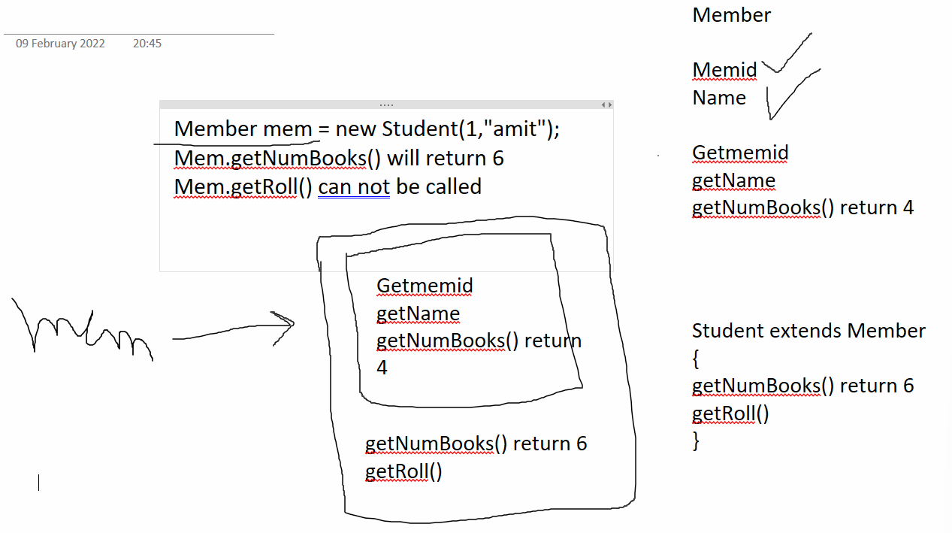
Overloading vs Overriding |  | substring(int start) : from start till length of string | Object.wait() wait(ms) wait(ms, ns)
 | Overloading : same class or derived class | substring(int start, int end) from start till the end only
Compile time polymorphism | Overriding: derived class | Overloading : defining a function with same name but different arguments is called overloading. Either number of arguments or type of arguments must differ.
Run time Polymorphism | Overriding : Inheritance | Defining a method in derived class with same name and same arguments as there is one in the base class.
 |  | Overloading : Compile Time Polymorphism
 |  | by checking the arguments of the function , we can tell which one will be called.
 | str.substring(4); str.substring(4,9); | When we use base class variable to refer to derived class object, we can access only base class funcitons. But overridden functions will called from derived class. | Class Student { Int roll; String name; Public boolean equals(Object ob) { Student s= (Student ) ob; If(s.roll == this.roll and s.name.equals(this.name) Return true; Else return false; } }
 |  | Overriding is Run time polymorphism.
 |  | By looking the function call , we can not tell , which method will be called. From base or derived classes (many derived classes can be there) ?

 |  | Object has equals method
 |  | We can override it in Student class.

super | Uses | to call constructor of base class (super class)
 |  | super(argumennts)
 |  | to call a function from base class super.method()

final | uses | 1. to create constant final int x = 30; now can not change
 |  | 2. to stop inheritance : final class Member { }
 |  | can not inherit from this class : class Student extends MemberXXXX
 |  | 3. To stop overriding class Base { final fun() ; }
 |  | class Derived extends Base { fun() { } Not Allowed

Abstract Class |  | It is base class for other classes but we can create the object of its derived but not an object of abstract BECAUSE it is an incomplete class
 |  | Does not have all the functianlity a class should have.
 |  | eg. Account class in bank, Member class in Library, Power class in Game.
 |  | it usually has abstract methods : incomplete methods without any definition eg. addInterest() in Account class
 |  | Different rules for different type of class objects.

Interfaces | Run time polymporphism | An interface is a contract that a class implements. Contract is in the form of methods.
 |  | in Java 8, interface can have default methods and static methods with implementation.
 |  | But other methods do not have any implementation.

 | Abstract class | interface
 | one class can extend only one abstract | one class can implement many interfaces.
 | can have data members for each object | can not have data memners but can have static final constants
 | can have non abstract methods with definintion | only default and static methods can implementations
 | can declare refence of abstract class but no object | can declare refence of interface class but no object

Exception Handling | java (JVM) will throw an exception for these | 5 keywords : try catch throw throws finally
 |  | is a run time error : Basic, inbuilt : out of bounds of an array
 |  | it will be always be an exception.
 |  | read from file (fileName) :
 |  | str = null; str.length();

 | Programmer will write an if else to throw exception | Application Point Error :
 |  | (a+b)*)7
 |  | Reading overtime for employee = -4 (overtime can not be negative)
 |  | Error for application

 | try | block where we write statements that might throw an exception
 |  | when an exception occurs, control jumps from try block to catch block, skips rest of code.

 | catch | will handle the exception and take remedial action
 | throw | To throw an object of Exception on some condition
 | finally | a try block must be followed by either catch or finally block
 |  | the code that must run, either exception occurs or does not occur.
 |  | try { open db connection, st1, st2, st3, st4, close connection. }
 |  | finally { clsoe connection here }
 | throws | when a method throws an exception (checked exception), then it must specify this in the method signature (declaration)
 |  | new FileReader( filanme) throws FileNotFoundException

 | Checked / Unchecked Exception | Unchecked Excpetion : will must happen, ArrayIndexOutOfBounds
 |  | these are sub class of RuntimeException class
 |  | All other are sublcass of Exception : must be given in throw list
 |  | int[] ar = new int[5]; ar[30] = 5; //java will throw and exctption
 |  | e.printStackTrace()

 |  | Stack Unwinding : fun throws exception, not handles it
 | Scanner.nextInt() | Goes to caller, caller fun does not handle
 | readFromFile() | its caller. Stack keeps on unwinding
 | main : line number
 |  | We can create our own Exception by extending the class Exception

Collections |  | String[] findSmallStrings(String [] stringAr, int len)
 |  | { what should be the size of newly created array. }
 |  | Size of array to be given while creating the array. But some code for management needs to written.
 |  | Dynamic collection of elements : Objects
 |  | Any type of object
 |  | Search in the collection
 |  | Insertion in the collection
 |  | Deletion from the collection
 |  | maipulating the collection
 | Collection | is interface
List extends Collection | Set<E> extends Collection | Map (interface)
 |  | List is an ordered collection of elements.
 | List<E> | ArrayList<E>, LinkedList<E>, Stack, Vector, ….
 |  | add(E e) : at end
 |  | add(index, element)
 |  | indexOf(element)
 |  | get(index)
 |  | set(index, element)
 |  | allAll(Collection coll)
Threading |  | removeAll(Collection coll)
 |  | remvoe(elemnt)
 |  | remove(index)
 |  | size()
 |  | lastIndexOf(element)
 |  | contains(element)
 | List<int> NOT POSSIBLE
 | List<Integer> Yes
 |  | ArrayList<String> list = new ArrayList<>(); list.add("hello");
 |  | Here list can not refer to any other list

 |  | List<String> list = new ArrayList<>(); list.add("hello");
 |  | list = getNames(); //returns list

 |  | We must always program for the interface and not for the class that implements it.
 |  | Connection conn =Drivermanager.getConnection();
 |  | Statement st =con.createStatemnt();
 |  | ReslutSet rs = st.executeQuery(query);

When repeated elemnts are not required. | Set<E> | Set of any data type(object)
When search should be fast. |  | Object class is superclass of all classes.
When ordering does not matter. OrderedSet<E> |  | Repeated Elements Can not be put in the set.
 | Not Ordered Collection | {2,3} = {3,2}
 |  | set.add(4);
 |  | set.add(4); will return false

List is not optimized for search. Linear Search . | for list of 1million, 1 million searches | if( ! List.contains(element)) list.add(element)
Binary Search, Hashed Search | for set of 1million , 20 searches | set.add(element)

 | MAP | Use
Key | Value | HTML
 | Cookies | <img src="bg.jpg" width="400" height="400">
 | name : value | CSS:
 |  | Key value pairs :
Optimized for searrch using keys like set |  | Fill up form :
Optimized for insertion and deletion using keys like set |  | Name :
 |  | Dob :
Map<String,String> map = new HashMap<>(); |  | Email :
Map<String,String> map = new TreeMap<>(); |  | Phone :

 |  | <input tpye="text" name="username" >
 |  | <input tpye="text" name="dob" >
 |  | <input tpye="text" name="email" >
 |  | <input tpye="text" name="phone" >
 |  | vlaue for radio buttons, checkboxes key value name : value

 |  | map.put("key", "value");
 |  | map.put("amit", "sumit")
 |  | map.put("reena", "Rajan")

 |  | String fathername = map.get("amit");
 |  | map.put("amit", "Sumit Verma"); //replace the value for that key

Multi threading | Excel, Zoom, Chrom, Edge | ? Is it multithreading NO
 | multi Programming | Multi Tasking
 | When one program does two things at same time. | VLC player, song playing, add songs to playlist : multithreading
 |  | Chatting : read one line, send to n/w, read from friend, show it on screen

 | line1 | line1
 | line2 | line2
 | line3 | line3
 | line4 | line4
 | fun(): after this fun line5 is executed | Thread.start() : it calls run and returns at the same time
 | line5 | run() will called in background.
 | line6 | line5 run() is also running
 |  | line6
 |  | line7
 |  | line8
 |  | line9
 | 2 methods | Extend Thread
 |  | Implement Runnable interface

